COFFEE MACHINES
 | MAIN CATEGORY | PRODUCT CATEGORIES | ARRANGEMENT
 | COFFEE MACHINES | Semi Automatic | Silvia, Group 1, 2, 3
 |  | Coffee Grinders | By Size- Smallest to Biggest
 |  | Semi Automatic Coffee Machine Accessories | By Size- Smallest to Biggest

 |  | Automatic | By Size- Smallest to Biggest
 |  | Automatic Coffee Machine Accessories | By Size- Smallest to Biggest

 |  | Coffee Brewers | Single, Double
 |  | Coffee Servery | By Size- Smallest to Biggest

SN | MAIN CATEGORY | PRODUCT CATEGORY | ITEM NO. | ITEM NAME | ITEM DESCRIPTION | TECHNICAL SPECIFICATIONS | Make | Item Model Number | SAP PRICE | E-commerce Inclusive of delivery within Nairobi | Grouping
1 | COFFEE MACHINES | SEMI AUTOMATIC COFFEE MACHINES | IMG/COF/00041 | CAPPUCCINO MACHINE SILVIA- SINGLE GROUP | The Rancilio Silvia Semi-Automatic Espresso & Cappuccino Single Group Machine is built with commercial-grade components, including a heavy-duty brass brew group, professional 58 mm portafilter, and stainless steel steam wand. It delivers rich espresso and perfectly textured milk for cappuccinos, lattes, and more. Its durable stainless steel construction, compact design, and manual brewing control make it the ideal choice for baristas. Key Features Commercial-grade brewing technology Professional 58 mm chrome-plated brass portafilter Heavy-duty brass brewing group for superior heat stability Powerful stainless steel steam wand for perfect milk frothing Manual extraction for complete brewing control Durable brushed stainless steel construction 2-litre removable water reservoir Compact footprint ideal for kitchens, offices and coffee stations Easy-to-use rocker switch controls | Brand: Rancilio Model: Silvia Machine Type: Semi-Automatic Espresso Machine Boiler Capacity: 0.3 L Water Tank Capacity: 2 L Brewing Group: Commercial Brass Portafilter: 58 mm Chrome-Plated Brass Steam Wand: Stainless Steel Pump Type: Vibration Pump Power: 1150 W Voltage: 220–240 V Length: 235 mm Width: 290 mm Height: 340 mm Weight: 14 kg Body Material: Stainless Steel | RANCILIO | SILVIA | 161,250.00 | 151,375 | Coffee
2 |  |  | IMG/COF/00079 | 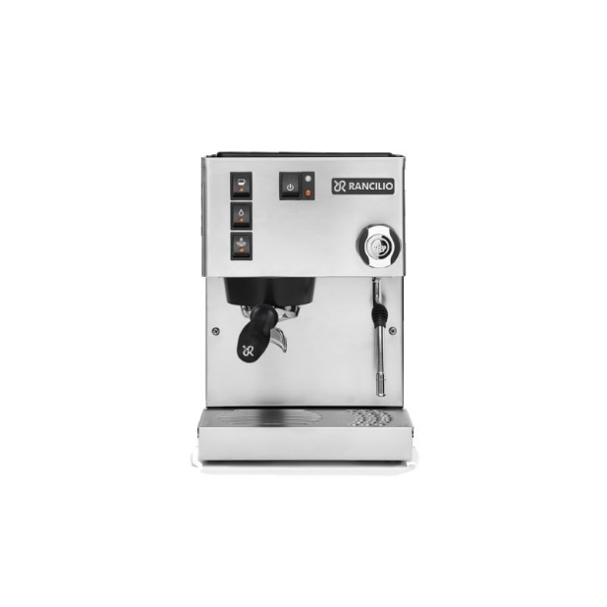 CAPPUCCINO MACHINE SILVIA PRO-SINGLE GROUP | The Rancilio Silvia Pro Semi-Automatic Espresso & Cappuccino Single Group Machine is a premium dual-boiler machine that delivers professional coffee with exceptional temperature stability and precision. Designed for home baristas, offices, boutique cafés, and hospitality businesses, it features independent coffee and steam boilers, PID temperature control, a professional steam wand, and a durable stainless steel body for consistent espresso and silky milk frothing. Key Features Dual boiler system for simultaneous brewing and steaming PID temperature control for precise extraction Professional steam wand for cappuccinos and lattes Digital display with shot timer Stainless steel construction 2L removable water tank Commercial-grade brass brew group Hot water outlet for tea and americanos Compact, elegant design | Brand: Rancilio Model: Silvia Pro Machine Type: Semi-Automatic Espresso Machine Boiler System: Dual Boiler Coffee Boiler Capacity: 0.3 L Steam Boiler Capacity: 1.0 L Water Tank Capacity: 2 L Brewing Group: Commercial Brass Portafilter: 58 mm Chrome-Plated Brass Steam Wand: Professional Stainless Steel Pump Type: Vibration Pump Temperature Control: Dual PID Display: Digital Display with Shot Timer Power: 1300 W Voltage: 220–240 V Length: 420 mm Width: 250 mm Height: 390 mm Weight: 20 kg Body Material: Stainless Steel | RANCILIO | SILVIA PRO | 290,250.00 | 267,475 | Coffee
3 |  |  | IMG/COF/00035 | 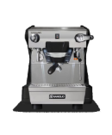 ESPRESSO MACHINE CLASS 5S GR1- SINGLE GROUP | The Rancilio Classe 5 S GR1 is a professional single-group semi-automatic espresso machine designed to deliver exceptional espresso quality with reliability and ease of use. Featuring a commercial brass brewing group, powerful steam wand, 4L insulated boiler, and durable stainless steel construction, it is ideal for cafés, restaurants, hotels, offices, and coffee bars seeking consistent, high-performance coffee preparation in a compact footprint. Key Features Professional single-group espresso machine Semi-automatic brewing operation Commercial brass brewing group Ergonomic chrome-plated brass portafilter Powerful steam wand for milk frothing Dedicated hot water outlet Direct water connection 4 L insulated copper boiler Direct water connection Durable stainless steel body | Brand: Rancilio Model: Classe 5 S GR1 Machine Type: Commercial Semi-Automatic Espresso Machine Group Heads: 1 Boiler Capacity: 4 L Brewing Group: Commercial Brass Portafilter: Ergonomic 58 mm Chrome-Plated Brass Steam Wand: Stainless Steel Hot Water Outlet: Yes Water Supply: Direct Water Connection Power: 2050 W Voltage: 220–240 V Length: 539 mm Width: 410 mm Height: 520 mm Weight: 37 kg Body Material: Stainless Steel Direct water connection | RANCILIO | CLASS 5S GR 1 | 424,625.00 | 388,413 | Coffee
4 |  |  | IMG/COF/00036 | ESPRESSO MACHINE CLASS 5ST GR1- SINGLE GROUP | The Rancilio Classe 5 ST GR1 is a professional single-group semi-automatic espresso machine designed for specialty coffee outlets. Featuring a commercial brass brewing group, ergonomic portafilter, powerful steam wand, and a reliable 4L boiler system, it delivers consistent espresso extraction and excellent milk steaming performance. Its durable stainless steel construction and compact design make it ideal for businesses requiring dependable café-quality coffee preparation. Key Features Single-group semi-automatic espresso machine Commercial brass brewing group 4L steam boiler for consistent performance Ergonomic chrome-plated brass portafilter Professional steam wand and hot water outlet Built-in water tank Durable stainless steel body Compact footprint for professional coffee stations | Brand: Rancilio Model: Classe 5 ST GR1 Machine Type: Semi-Automatic Espresso Machine Group Heads: 1 Boiler Capacity: 4 L Brewing Group: Commercial Brass Portafilter: Chrome-Plated Brass Steam Wand: Stainless Steel Power: 2050 W Voltage: 220–240 V Length: 410 mm Width: 539 mm Height: 520 mm Weight: 37 kg Body Material: Brushed Stainless Steel Built-in water tank | RANCILIO | CLASS 5ST GR 1 | 419,250.00 | 383,575 | Coffee
5 |  |  | IMG/COF/00037 | 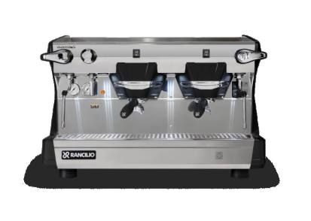 ESPRESSO MACHINE CLASS 5S GR2 BLACK- 2 GROUP | The Rancilio Classe 5 S GR2 Black is a professional 2-group semi-automatic espresso machine designed for high-volume coffee operations. Combining reliable Rancilio technology with the classic black finish, it features two commercial brass brewing groups, a powerful boiler system, ergonomic portafilters, and professional steam wands for consistent espresso extraction and efficient milk preparation. Its durable construction and user-friendly design make it ideal for businesses seeking dependable café-quality performance. Key Features 2-group semi-automatic espresso machine Commercial brass brewing groups 11 L boiler capacity for continuous operation Ergonomic chrome-plated portafilters Professional stainless steel steam wands Hot water outlet for tea and americanos Fixed water connection for commercial use Durable stainless steel body with white finish | Brand: Rancilio Model: Classe 5 S GR2 Black Machine Type: Semi-Automatic Espresso Machine Number of Groups: 2 Boiler Capacity: 11 L Brewing Group: Commercial Brass Portafilter: Chrome-Plated Brass Steam Wand: Stainless Steel Water Supply: Fixed Water Connection Power: 4750 W Voltage: 220–240 V Length: 771 mm Width: 539 mm Height: 520 mm Weight: 75 kg Body Material: Stainless Steel | RANCILIO | CLASS 5S GR 2 | 685,000.00 | 622,750 | Coffee
6 |  |  | IMG/COF/00038 | 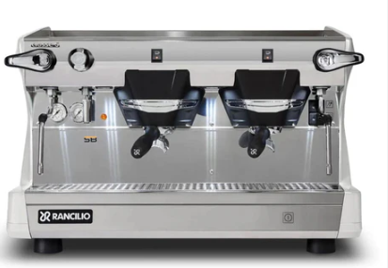 ESPRESSO MACHINE CLASS 5S GR2 WHITE-2 GROUP | The Rancilio Classe 5 S GR2 White is a professional 2-group semi-automatic espresso machine designed for high-volume coffee operations. Combining reliable Rancilio technology with an elegant white finish, it features two commercial brass brewing groups, a powerful boiler system, ergonomic portafilters, and professional steam wands for consistent espresso extraction and efficient milk preparation. Its durable construction and user-friendly design make it ideal for businesses seeking dependable café-quality performance. Key Features 2-group semi-automatic espresso machine Commercial brass brewing groups 11 L boiler capacity for continuous operation Ergonomic chrome-plated portafilters Professional stainless steel steam wands Hot water outlet for tea and americanos Fixed water connection for commercial use Durable stainless steel body with white finish | Brand: Rancilio Model: Classe 5 S GR2 White Machine Type: Semi-Automatic Espresso Machine Number of Groups: 2 Boiler Capacity: 11 L Brewing Group: Commercial Brass Portafilter: Chrome-Plated Brass Steam Wand: Stainless Steel Water Supply: Fixed Water Connection Power: 4750 W Voltage: 220–240 V Length: 771 mm Width: 539 mm Height: 520 mm Weight: 75 kg Body Material: Stainless Steel | RANCILIO | CLASS 5S GR 2 | 685,000.00 | 622,750 | Coffee
7 |  |  | IMG/COF/00039 | 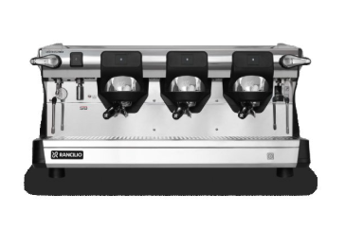 ESPRESSO MACHINE CLASS 7S GR3- 3 GROUP | The Rancilio Classe 7 S GR3 is a high-performance 3-group semi-automatic espresso machine. Built for reliability and continuous coffee production, it features Steady Brew technology, a powerful 16-litre boiler, ergonomic portafilters, professional steam wands, and durable stainless steel construction. It delivers consistent espresso extraction, excellent temperature stability, and efficient milk steaming for high-volume commercial environments. Key Features 3-group semi-automatic espresso machine Steady Brew (SB) technology for improved thermal stability 16 L high-capacity steam boiler Commercial brass brewing groups Ergonomic chrome-plated brass portafilters Professional stainless steel steam wands Built-in volumetric pump Hot water outlet for tea and americanos LED-lit work area Fixed water connection Durable stainless steel commercial body | Brand: Rancilio Model: Classe 7 S GR3 Machine Type: Semi-Automatic Espresso Machine Number of Groups: 3 Boiler Capacity: 16 L Brewing Technology: Steady Brew (SB) Brewing Group: Commercial Brass Portafilter: Chrome-Plated Brass Steam Wand: Stainless Steel Water Supply: Fixed Water Connection Power: 6.75 kW Voltage: 220–240 V / 380–415 V (3N) Length: 1010 mm Width: 540 mm Height: 520 mm Weight: 85 kg Body Material: Stainless Steel | RANCILIO | CLASS 7S GR 3 | 1,070,000.00 | 969,250 | Coffee
8 |  | COFFEE GRINDERS | IMG/COF/00044 | 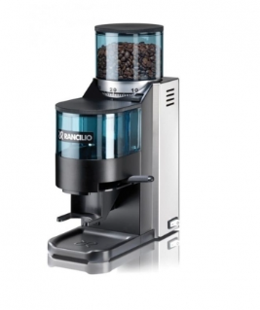 COFFEE GRINDER ROCKY | The Rancilio Rocky Coffee Grinder is a professional-grade 0.3kg grinder designed to deliver consistent, precise coffee grinding for espresso and specialty coffee preparation. Featuring durable 50 mm steel flat burrs, adjustable grind settings, and a powerful 140W motor, it ensures uniform grinding performance while preserving coffee aroma and flavour. Key Features Professional coffee grinder for espresso and specialty coffee Durable 50 mm steel flat burrs Adjustable grind settings for precise consistency 0.3 kg bean hopper capacity Powerful and reliable 140W motor Manual dosing control Low noise operation Stainless steel and ABS construction Compact countertop design | Brand: Rancilio Model: Rocky Machine Type: Coffee Grinder Grinding System: Flat Steel Burrs Burr Size: 50 mm Bean Hopper Capacity: 0.3 kg Average Output: 0.69–0.97 g/s (Espresso) Power: 140 W Voltage: 220–240 V Frequency: 50–60 Hz Length: 250 mm Width: 120 mm Height: 350 mm Weight: 8.7 kg Body Material: Stainless Steel / ABS | RANCILIO | ROCKY | 102,125.00 | 98,163 | Coffee
9 |  |  | IMG/COF/00043 | COFFEE GRINDER KRYO 65 ST | The Rancilio Kryo 65 is a professional 1.3kg espresso coffee grinder designed for cafés, restaurants, hotels, and specialty coffee outlets requiring precision, consistency, and high grinding performance. Equipped with 64 mm flat steel burrs, a powerful motor, and an advanced cooling system, it ensures uniform grinding while preserving the aroma and quality of coffee beans. Its durable commercial design and large hopper capacity make it ideal for high-demand coffee environments. Key Features Professional espresso coffee grinder 64 mm flat steel burrs for consistent grinding Thermosteel-treated burrs for durability Manual grind adjustment for precise control 1.3 kg coffee bean hopper capacity Grinding chamber cooling system to reduce heat build-up Anti-static technology for cleaner operation Compact commercial countertop design | Brand: Rancilio Model: Kryo 65 Machine Type: Professional Espresso Coffee Grinder Grinding System: Flat Steel Burrs Burr Size: 64 mm Grind Adjustment: Manual Micrometric Adjustment Bean Hopper Capacity: 1.3 kg Average Output: 1.9–2.5 g/s (Espresso) Motor Speed: 1350 rpm Power: 450 W Voltage: 220–240 V Length: 385 mm Width: 220 mm Height: 575 mm Weight: 13 kg Body Material: Commercial-grade Aluminium / ABS | RANCILIO | KRYO 65 ST | 177,375.00 | 165,888 | Coffee
10 |  |  | IMG/COF/00135 | AUTOMATIC COFFEE GRINDER KRYO 65 OD | The Rancilio Kryo 65 OD is a professional on-demand 1.3kg espresso coffee grinder with precision, speed, and consistency. Featuring 64 mm Thermosteel flat steel burrs, programmable dosing, digital controls, and a cooling system to preserve coffee aroma, it delivers freshly ground coffee directly into the portafilter for superior espresso quality. Key Features Professional on-demand coffee grinder 64 mm flat Thermosteel-treated steel burrs Digital display with programmable dosing 3 programmable doses (single, double, custom) Hands-free portafilter holder Micrometric grind adjustment for precision Anti-static technology for cleaner operation 1.3 kg bean hopper capacity Grinding chamber cooling system | Brand: Rancilio Model: Kryo 65 OD Machine Type: Automatic On-Demand Coffee Grinder Grinding System: Flat Steel Burrs Burr Size: 64 mm Burr Material: Thermosteel Treated Steel Grinding Adjustment: Manual Micrometric Adjustment Programmable Doses: 3 (Single, Double, Custom) Bean Hopper Capacity: 1.3 kg Average Output: 3.5 g/s Motor Speed: 1350 rpm Power: 450 W Voltage: 220–240 V Length (Depth): 356 mm Width: 220 mm Height: 575 mm Weight: 11.5 kg Body Material: Stainless Steel / ABS | RANCILIO | KRYO 65 OD | 240,000.00 | 222,250 | Coffee
11 |  | COFFEE MACHINE ACCESSORIES | IMG/COF/00048 | 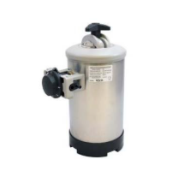 WATER SOFTENERS DP2 | Protect your coffee equipment and commercial appliances from hard water damage with the Water Softener DP2. Designed to reduce water hardness by removing calcium and magnesium minerals, it helps prevent limescale buildup, improves equipment efficiency, and extends the lifespan of espresso machines, dishwashers, boilers, and other water-fed appliances. Key Features Reduces Water Hardness Protects Equipment Improves Performance by enhancing heating efficiency and water flow. Reliable operation with simple servicing. Commercial Grade | Product Type: Water Softener Model: DP2 Application: Water treatment Function: Reduces water hardness and prevents limescale Compatible Equipment: Coffee machines, espresso machines, dishwashers, boilers, steam ovens, ice makers Installation: Inline water connection Usage: Commercial and professional applications | RANCILIO | IV8 | 41,925.00 | 37,733 | Coffee
12 |  |  | IMS/MEC/00469 | 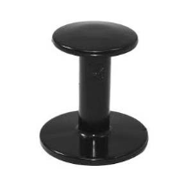 COFFEE TAMPER- PVC | The Rancilio Black PVC coffee tamper is designed for espresso preparation. It features a simple, ergonomic cylindrical handle with a wide, flat top for comfortable grip and a smooth circular base used to evenly compress ground coffee inside an espresso portafilter. The lightweight, durable construction makes it suitable for consistent tamping during coffee preparation. Key Features Professional espresso coffee tamper Durable PVC ergonomic handle Designed for consistent coffee compression Helps achieve even extraction and better espresso quality Compatible with commercial espresso machines Lightweight and easy to handle | Brand: Rancilio Model: PVC Coffee Tamper Product Type: Coffee Tamper Material: PVC Diameter: 58 mm Application: Espresso Coffee Preparation Use: Manual Coffee Tamping | RANCILIO | PVC | 6,450.00 |  | Coffee
13 |  |  | IMS/MEC/00303 | COFFEE TAMPER- STAINLESS STEEL | Achieve consistent espresso quality with the Stainless Steel Coffee Tamper, a professional barista accessory designed for precise coffee compression. Built from durable stainless steel, this tamper ensures even distribution and compacting of ground coffee for improved extraction and a richer espresso experience. Key Features Professional espresso coffee tamper Durable Stainless Steel material Designed for consistent coffee compression Helps achieve even extraction and better espresso quality Compatible with commercial espresso machines | Brand: Rancilio Product Type: Coffee Tamper Model: STD SS Material: Stainless Steel Base Diameter: Approx. 58 mm Height: 90 mm Finish: Polished stainless steel finish Handle Type: Ergonomic mushroom-style handle Application: Espresso Coffee Preparation Use: Manual Coffee Tamping | RANCILIO | STAINLESS STEEL | 17,200.00 |  | Coffee
14 |  | AUTOMATIC COFFEE MACHINES | IMG/COF/00099 | 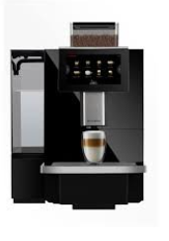 AUTOMATIC COFFEE MACHINE F11 BIG | The F11 BIG Automatic Coffee Machine delivers premium bean-to-cup coffee at the touch of a button. Designed for commercial environments, it features a large 8L water tank, high-capacity bean hopper, intuitive touchscreen controls, and an automatic milk frothing system to produce consistently high-quality espresso, cappuccino, latte, and more with 24 pre-programmed beverages. Key Features One-Touch Brewing with 24 pre-programmed beverages. Large Capacity 8L water tank and 1.2kg bean hopper. 7" Touchscreen Display for easy operation and drink customization. Automatic Milk Frothing for rich, creamy milk foam at the touch of a button. Self-Cleaning System with automatic rinsing for easy maintenance. | Model: F11 BIG Type: Fully Automatic Bean-to-Cup Coffee Machine Daily Output: Up to 100 cups Water Tank Capacity: 8 Litres Bean Hopper Capacity: 1.2 kg Display: 7.1-inch Touchscreen Power: 1500–1700 W Voltage: 220–240 V, 50/60 Hz Length: 410 mm Width: 500 mm Height: 580 mm Weight: 17 kg | DR. COFFEE | F11 BIG | 350,000.00 | 321,250 | Coffee
15 |  |  | IMG/COF/00096 | 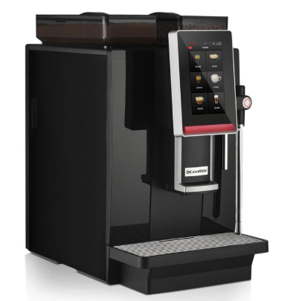 AUTOMATIC COFFEE MACHINE MINIBAR | The Minibar Automatic Coffee Machine is a premium bean-to-cup solution with one-touch beverage preparation, dual boiler technology, automatic milk frothing, and a large touchscreen display. It consistently delivers café-quality coffee with speed and precision with a 1.5kg bean hopper and powder hopper. It offers up to 24 beverage options and supports both water tank and direct water connection. Key Features One-Touch Brewing with 24 pre-programmed beverages. Dual Boiler System for simultaneous brewing and milk frothing. 7" Touchscreen Display for easy operation and drink customization. Automatic Cleaning of brewing and milk systems automatically. | Model: Minibar Type: Fully Automatic Bean-to-Cup Coffee Machine Beverage Variety: 24 drinks Recommended Daily Output: Up to 200 cups Hourly Output: Up to 100 cups Water Tank Capacity: 4 L Bean Hopper Capacity: 1.5 kg Powder Hopper Capacity: 1.5 kg Display: 7-inch Touchscreen Power: 2900 W Voltage: 220–240 V, 50/60 Hz Length: 340 mm Width: 545 mm Height: 620 mm Weight: 25 kg | DR. COFFEE | MINIBAR | 575,000.00 | 523,750 | Coffee
16 |  | COFFEE MACHINE ACCESSORIES | IMG/COF/00097 | 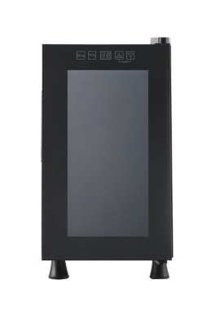 MILK FRIDGE SC15 | Keep milk fresh and at the ideal serving temperature with the SC15 Milk Fridge. Designed for use with automatic coffee machines, this compact refrigerator ensures a consistent supply of chilled milk for premium cappuccinos, lattes, and other milk-based beverages. Its quiet operation and spacious 10L capacity make it ideal for commercial coffee stations. Key Features 10L Capacity Adjustable Cooling Temperature range of 8°C–18°C. Frost-Free Cooling without ice build-up. Compact Design | Model: SC15 Type: Milk Fridge / Milk Cooler Capacity: 10 Litres Temperature Range: 8°C–18°C Power Supply: 220–240V, 50/60Hz Power Consumption: 65W Length: 252mm Width: 512mm Height: 450 mm Net Weight: 8.5 kg Colour: Black | DR. COFFEE | SC15 | 80,000.00 | 78,250 | Coffee
17 |  | COFFEE BREWERS | IMG/COF/00103 | 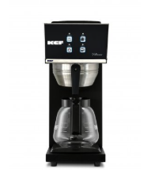 COFFEE BREWER WITH 1 DECANTER FTL120 BLACK | Serve consistently fresh, aromatic filter coffee with the KEF FTL120 Black Coffee Brewer. Designed for commercial environments, this high-performance brewer prepares a full 1.8-litre batch in 6 minutes, producing up to 144 cups per hour. Its durable stainless steel body, manual water filling system, and dual warming plates ensure coffee remains at the ideal serving temperature throughout busy service periods. Key Features Produces up to 144 cups of coffee per hour Fast brewing time of approximately 6 minutes per 1.8L batch Includes 1.8L glass decanter Dual hot plates keep coffee warm after brewing Durable stainless steel body with black finish Manual water filling system Boil-dry safety protection Compact countertop design Simple operation and easy cleaning Ideal for continuous commercial coffee service | Brand: KEF Model: FTL120 Black Machine Type: Commercial Filter Coffee Brewer Coffee Pot Capacity: 1.8 Litres Brewing Time: Approximately 6 minutes Production Capacity: Up to 144 cups/hour Water Filling: Manual Hot Plates: 2 (warming plates) Body Material: Stainless Steel Voltage: 220V Phase: Single Phase Power: 2.4 kW Length: 190 mm Width: 370 mm Height: 440 mm Weight: 5.2 kg | KEF | FTL120 BLACK | 76,863.00 | 75,427 | Coffee
18 |  |  | IMG/COF/00104 | 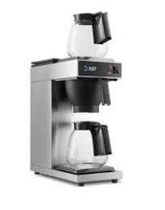 COFFEE BREWER WITH 2 DECANTERS FTL120-2 INOX | Increase coffee service efficiency with the KEF FTL120-2 INOX Coffee Brewer, a high-capacity commercial filter coffee machine designed for busy hospitality and foodservice environments. Equipped with two 1.8-litre glass decanters and independently controlled warming plates, this brewer allows you to prepare one batch while keeping another hot and ready to serve. Key Features Produces up to 144 cups of coffee per hour Includes two 1.8L glass decanters Fast brewing time of approximately 6 minutes per batch Independent upper and lower warming plates Stainless steel construction for durability Boil-dry safety protection Compact countertop design Easy to operate and maintain Suitable for continuous commercial coffee service | Brand: KEF Model: FTL120-2 INOX Machine Type: Commercial Filter Coffee Brewer Decanter Capacity: 2 × 1.8 Litres Brewing Time: Approximately 6 minutes Production Capacity: Up to 144 cups/hour Warming Plates: Independent upper and lower hot plates Material: Stainless Steel Voltage: 220V / 1 Phase Power: 2.4 kW Length: 190 mm Width: 370 mm Height: 440 mm Weight 6 kg | KEF | FLT120 INOX | 90,000.00 | 87,250 | Coffee
19 |  |  | IMG/COF/00101 | 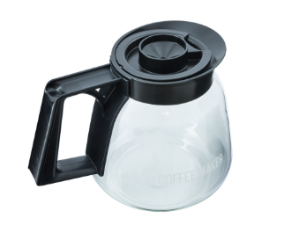 DECANTER 1.8 LITRES KEF | The KEF 1.8L Glass Coffee Decanter is a genuine replacement coffee pot designed for KEF commercial filter coffee brewers. Constructed from durable, heat-resistant glass, it provides excellent visibility of coffee levels while maintaining the freshness and temperature of brewed coffee when placed on a warming plate. Key Features 1.8-litre capacity for serving multiple cups of coffee Durable heat-resistant glass construction Ergonomic handle for comfortable pouring Drip-free pouring spout reduces spills Hinged lid for easy filling and serving Designed for use on commercial coffee brewer warming plates Easy to clean and maintain Genuine replacement decanter for KEF filter coffee machines | Brand: KEF Product Type: Glass Coffee Decanter Capacity: 1.8 Litres Material : Heat-Resistant Glass Handle Material: High-temperature Plastic Lid: Hinged Plastic Lid Colour: Clear Glass with Black Handle Compatibility: KEF Commercial Filter Coffee Brewers (FTL120 & FTL120-2 models) | KEF | CMP-2 | 10,643.00 | 8,514 | Coffee
 |  |  | IMG/COF/00001 | DECANTER 1.8 LITRES CREM | The Crem 1.8L Glass Coffee Decanter is a genuine replacement coffee pot designed for Crem commercial filter coffee brewers. Constructed from durable, heat-resistant glass, it provides excellent visibility of coffee levels while maintaining the freshness and temperature of brewed coffee when placed on a warming plate. Key Features 1.8-litre capacity for serving multiple cups of coffee Durable heat-resistant glass construction Ergonomic handle for comfortable pouring Drip-free pouring spout reduces spills Hinged lid for easy filling and serving Designed for use on commercial coffee brewer warming plates Easy to clean and maintain Genuine replacement decanter for Crem filter coffee machines | Brand: Crem Product Type: Glass Coffee Decanter Capacity: 1.8 Litres Material : Heat-Resistant Glass Handle Material: High-temperature Plastic Lid: Hinged Plastic Lid Colour: Clear Glass with Black Handle Compatibility: Crem Commercial Filter Coffee Brewers | CREM | 110001 | 11,126.11 |  | Coffee
20 |  |  | IMG/COF/00105 | 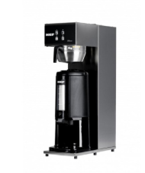 COFFEE BREWER SINGLE CATER FLC 250 | The KEF FLC-250 Single Cater Coffee Brewer is a high-capacity commercial filter coffee machine designed for businesses that require a continuous supply of freshly brewed coffee. Supplied with a 2.5-litre insulated thermal server, it keeps coffee hot for extended periods without relying on warming plates, preserving flavour and aroma. Key Features Produces up to 144 cups of coffee per hour Includes 2.5L insulated thermal server (airpot) Fast brewing time of approximately 8 minutes Manual filling or direct mains water connection Stainless steel brew basket for durability and hygiene Dry-boil safety protection Keeps coffee hot without a warming plate Compact commercial countertop design Easy operation and maintenance Ideal for high-volume coffee service | Brand: KEF Model: FLC-250 Machine Type: Commercial Filter Coffee Brewer Thermal Server Capacity: 2.5 Litres Brewing Time: Approximately 8 minutes Production Capacity: Up to 144 cups/hour Water Supply: Manual filling or direct mains connection Brew Basket: Stainless Steel Voltage: 220V / 1 Phase Power: 2.2 kW Length: 205mm Width: 400mm Height: 720 mm Weight 7.5 kg | KEF | FLC 250 | 185,000.00 | 172,750 | Coffee
21 |  |  | IMG/COF/00139 | 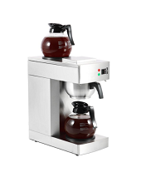 COMMERCIAL COFFEE BREWER GW-386-BD2 (RB-386) GOODWILL | Brew fresh, aromatic coffee quickly and efficiently with the Goodwill GW-386-BD2 Commercial Coffee Brewer. This high-performance pour-over coffee brewer delivers consistent results with every brew. Featuring a durable stainless steel construction, dual warming plates, and two 1.8L glass decanters, it keeps coffee hot and ready for continuous service throughout the day. Key Features Commercial pour-over coffee brewer Brews a full pot in approximately 6–7 minutes Includes 2 × 1.8L glass decanters Dual warming plates keep brewed coffee hot Durable stainless steel housing Removable stainless steel filter basket for easy cleaning Simple On/Off operation with automatic brewing Dry-run protection for added safety Ideal for hotels, cafés, restaurants, offices, and catering operations Compact countertop design | Brand: Goodwill Model: GW-386-BD2 (RB-386) Coffee Type: Ground Coffee Brewing System: Pour-Over Drip Carafe Capacity: 2 × 1.8 L Glass Decanters Water Tank Capacity: 2.8 L Brewing Time: 6–7 Minutes Housing Material : Stainless Steel Filter Basket: Stainless Steel Warming Plates: 2 Safety Feature: Dry-Run Protection Length 205mm Width: 405mm Height: 455 mm | GOODWILL | GW-386-BD2 (RB-386) | 65,000.00 |  | Coffee
22 |  |  | IMG/COF/00140 | 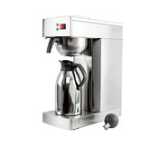 COMMERCIAL COFFEE BREWER GW-386-B (RV-386) GOODWILL | The Goodwill GW-386-B (RV-386) Commercial Coffee Brewer is a professional drip coffee machine. Featuring a durable stainless steel body and a 2.0L insulated thermal carafe, this brewer produces consistently fresh coffee while keeping it hot for extended periods without the need for a warming plate. Its fast brewing system delivers a full batch in approximately 9 minutes, making it ideal for high-demand commercial environments. The removable stainless steel filter basket ensures easy cleaning, while the simple manual controls provide reliable day-to-day operation. Key Features Commercial pour-over drip coffee brewer Includes 2.0L insulated thermal carafe to maintain coffee temperature Fast brewing cycle of approximately 9 minutes Durable stainless steel housing 304 stainless steel removable filter basket Large 2.8L water tank Simple manual switch with indicator light Easy to clean and maintain Compact countertop design Suitable for continuous commercial use | Brand: Goodwill Model: GW-386-B (RV-386) Coffee Type: Ground Coffee Brewing System Pour-Over Drip Water Tank Capacity: 2.8 L Carafe Capacity: 2.0 L Thermal Carafe Brewing Time: Approximately 9 minutes Body Material: Stainless Steel Filter Basket: 304 Stainless Steel Operation: Manual Switch with Indicator Light Length: 405 mm Width: 203 mm Height: 530 mm Net Weight: 6.4 kg | GOODWILL | GW-386-B (RV-386) | 75,000.00 |  | Coffee
23 |  |  | IMG/COF/00141 | 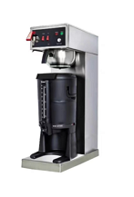 COMMERCIAL COFFEE BREWER GW-FRP286-BV (FRP-286BV) GOODWILL | The Goodwill GW-FRP286-BV (FRP-286BV) Commercial Coffee Brewer is a high-capacity brewing solution. Engineered for continuous commercial use, this brewer produces up to 16–17 cups of fresh coffee in approximately 9 minutes, ensuring a steady supply during peak service periods. Key Features High-capacity commercial drip coffee brewer Brews 16–17 cups in approximately 9 minutes Large 4.5L insulated thermal dispenser Keeps coffee hot for up to 4 hours Automatic water filling system for continuous operation Dedicated hot water tap for tea and other hot beverages Durable stainless steel housing 304 stainless steel removable filter funnel Simple mechanical controls with indicator lights Easy to clean and maintain Designed for heavy-duty commercial use | Brand: Goodwill Model: GW-FRP286-BV (FRP-286BV) Brewing Type: Commercial Drip Coffee Brewer Coffee Capacity: 16–17 Cups Brewing Time: Approximately 9 Minutes Thermal Dispenser Capacity: 4.5 L Power: 1450 W Material Stainless Steel Housing Filter Funnel: 304 Stainless Steel Water Filling: Automatic Hot Water Tap: Yes Heat Retention: Up to 4 Hours Dimensions: 437 × 207 × 620 mm Net Weight: 10.4 kg | GOODWILL | GW-FRP286-BV (FRP-286BV) | 145,000.00 |  | Coffee
24 |  |  | IMG/COF/00033 | 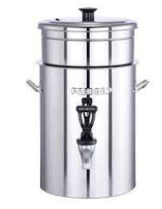 COFFEE BREWER WITH COFFEE FILTER PRADEEP | Serve fresh, flavourful filter coffee with the Coffee Brewer with Coffee Filter 3L, a reliable commercial coffee brewing solution. Designed for efficiency and consistent performance, this brewer delivers high-quality coffee directly into a 3.0-litre insulated thermal server, keeping beverages hot for extended periods without compromising taste. Key Features Commercial filter coffee brewer with 3.0L thermal server Includes coffee filter for clean, consistent brewing Durable stainless steel construction Thermal server keeps coffee hot without a warming plate Fast brewing for high-demand environments Simple and reliable operation Easy to clean and maintain Compact countertop design Suitable for continuous commercial use | Product: Coffee Brewer with Coffee Filter Model: 9230 Capacity: 3.0 Litres Coffee Server: Insulated Thermal Server Brewing Type: Commercial Filter Coffee Brewer Construction: Stainless Steel Filter Type: Coffee Filter Included Installation: Countertop | PRADEEP | 9230 | 27,600.00 | 22,080 | Coffee
25 |  |  | IMS/FIT/00992 | 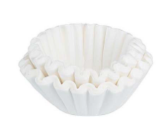 COFFEE FILTER PAPERS 90/250 | Ensure consistently smooth, sediment-free coffee with Coffee Filter Papers 90/250, designed for commercial filter coffee brewers. Manufactured from high-quality food-grade paper, these basket filters provide excellent filtration while allowing the full aroma and flavour of freshly brewed coffee to develop. Their 90/250 mm size makes them compatible with a wide range of commercial drip coffee machines. Key Features Premium food-grade paper construction Standard 90/250 mm basket filter size Delivers clean, sediment-free coffee Preserves the natural flavour and aroma of coffee Disposable for quick and hygienic cleanup Compatible with most commercial filter coffee brewers using 90/250 basket filters Suitable for high-volume commercial coffee preparation Strong paper construction resists tearing during brewing | Product Type: Coffee Filter Papers Filter Size: 90/250 mm Material : Food-Grade Paper Colour: White Filter Style: Basket Filter Compatibility: Commercial Drip Coffee Brewers (90/250) Disposable: Yes | KEF | FK925 | 71.00 |  | Coffee
26 |  | COFFEE SERVERY | IMG/COF/00011 | 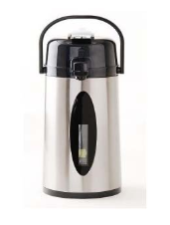 AIRPOT WITH SIGHT GAUGE | The CREM Sight Gauge Airpot 2.2L is a professional thermal coffee dispenser designed for convenient beverage service in cafés, hotels, restaurants, offices, and catering environments. Built for commercial coffee applications, this airpot provides excellent heat retention while allowing users to easily monitor remaining coffee levels through its integrated sight gauge. Key Features 2.2 litre capacity thermal coffee airpot Stainless steel exterior for durability and professional appearance Sight gauge indicator for easy monitoring of coffee level Vacuum insulation helps maintain beverage temperature Portable design for flexible coffee service Brew-through capability for direct filling from compatible coffee brewers Easy dispensing system for controlled pouring Hygienic and easy to clean Ideal for commercial coffee service environments
27 |  |  | IMG/COF/00009 | 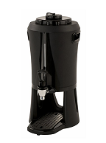 SERVING STATION 2.5 LITRES | The CREM Serving Station 2.5L is a professional thermal coffee server designed for use with commercial filter coffee brewers. Built for efficient coffee service, this serving station allows coffee to be brewed directly into the container and served conveniently from any location. Key Features 2.5L capacity thermal coffee serving station Compatible with CREM Mega Gold coffee brewers Brew directly into the serving station through the lid Stainless steel inner container for durability and hygiene Integrated dispensing tap for easy serving Level indicator tube for monitoring coffee quantity Maintains coffee temperature without external heating Portable design for flexible coffee service Easy to handle, clean, and maintain | Brand: CREM Model: 1103303 Product Type: Coffee Serving Station / Thermal Server Capacity: 2.5 Litres Inner Container: Stainless Steel Dispensing System: Tap with Level Indicator Tube Brewing Method: Brew-through Lid Application: Commercial Coffee Service Length:205mm Width: 360mm Height: 430 mm Weight: Approx. 3 kg | CREM | 1103303 | 43,268.75 |  | Coffee
28 |  |  | IMG/COF/00010 | SERVING STATION 5 LITRES | The CREM Serving Station 5L is a professional thermal coffee server designed for use with commercial filter coffee brewers. Built for efficient coffee service, this serving station allows coffee to be brewed directly into the container and served conveniently from any location. Key Features 5L capacity thermal coffee serving station Compatible with CREM Mega Gold coffee brewers Brew directly into the serving station through the lid Stainless steel inner container for durability and hygiene Integrated dispensing tap for easy serving Level indicator tube for monitoring coffee quantity Maintains coffee temperature without external heating Portable design for flexible coffee service Easy to handle, clean, and maintain | Brand: CREM Model: 1103302 Product Type: Coffee Serving Station / Thermal Server Capacity: 5 Litres Inner Container: Stainless Steel Dispensing System: Tap with Level Indicator Tube Heating Method: Vacuum Thermal Insulation (No External Heat) Application: Commercial Coffee Service Length : 205mm Width: 460mm Height: 545 mm Weight: Approx. 4 kg | CREM | 1103302 | 86,537.50 |  | Coffee

